Sheet1
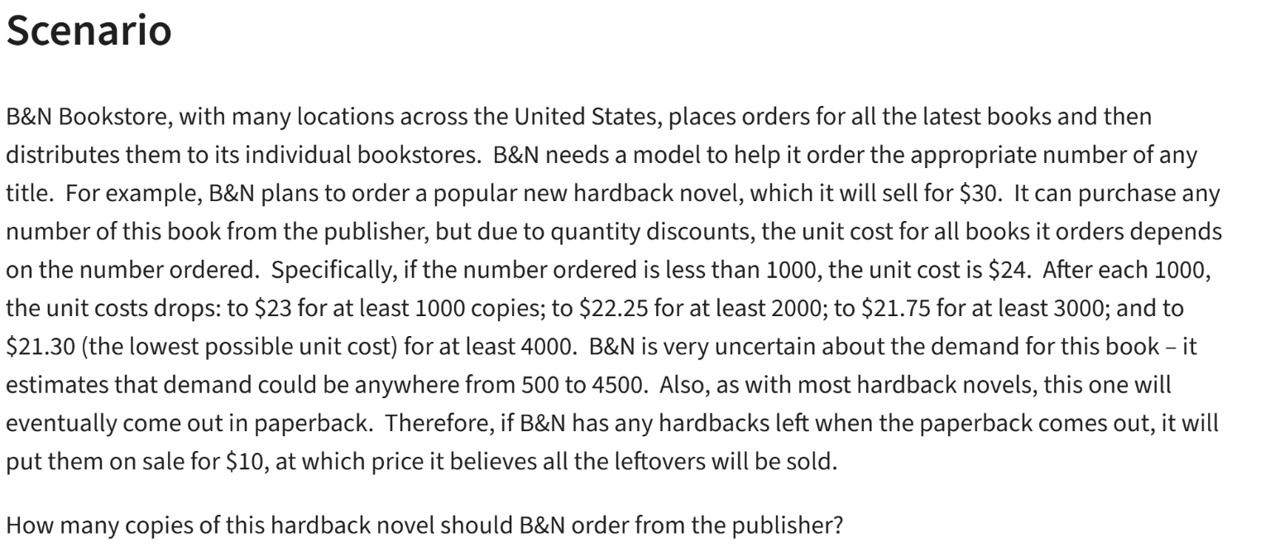
B&N Bookstore

Book | $30.00 |  | Orders | Price
Sale | $10.00 |  | 0 | $24.00
 |  |  | 1000 | $23.00
 |  |  | 2000 | $22.25
Demand | 2300 | (500-4500) | 3000 | $21.75
Order | 2000 |  | 4000 | $21.30

Surplus | 0 | =MAX(B8-B7,0)
Surplus | 0 | =IF(B7>B8,0,B8-B7)

Cost | $44,500.00

Revenue | $60,000.00 |  |  |  |  | Demand
 |  |  |  |  | $15,500.00 | 500 | 1000 | 1500 | 2000 | 2500 | 3000 | 3500 | 4000 | 4500
Profit | $15,500.00 |  |  | Order | 500 | 3000 | 3000 | 3000 | 3000 | 3000 | 3000 | 3000 | 3000 | 3000
 |  |  |  |  | 1000 | -3000 | 7000 | 7000 | 7000 | 7000 | 7000 | 7000 | 7000 | 7000
 |  |  |  |  | 1500 | -9500 | 500 | 10500 | 10500 | 10500 | 10500 | 10500 | 10500 | 10500
 |  |  |  |  | 2000 | -14500 | -4500 | 5500 | 15500 | 15500 | 15500 | 15500 | 15500 | 15500
 |  |  |  |  | 2500 | -20625 | -10625 | -625 | 9375 | 19375 | 19375 | 19375 | 19375 | 19375
 |  |  |  |  | 3000 | -25250 | -15250 | -5250 | 4750 | 14750 | 24750 | 24750 | 24750 | 24750
 |  |  |  |  | 3500 | -31125 | -21125 | -11125 | -1125 | 8875 | 18875 | 28875 | 28875 | 28875
 |  |  |  |  | 4000 | -35200 | -25200 | -15200 | -5200 | 4800 | 14800 | 24800 | 34800 | 34800
 |  |  |  |  | 4500 | -40850 | -30850 | -20850 | -10850 | -850 | 9150 | 19150 | 29150 | 39150

